PAGE1
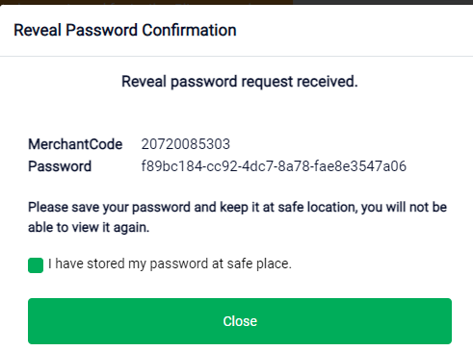
TYPO | Merchant Code

